Macros
DX Review
Dr Checks XML Report Beautify Applet | DxReview v4.9.6
 | Created by Ben Fisher

Batch Process
Multiple Files
Process Individual File
Add Classification from HTML
Add Emails from HTML
Create or Update Statistics Sheet

Note for Adding Classification or Emails
To add Classifications or Emails - you must FIRST create the report from an XML file. Next, you must save the HTML
report for all comments as an HTML file. Next, the Excel file that you want to add classifications to must
be the most recently Excel file to be opened on your computer. Finally, open to the table with the review
that you want to add the classifications too (single review at a time, no batch function). Then click the
Add Classification (or Email) from HTML button (above). Note that to get the emails you must save the review
participants list report as an HTML.
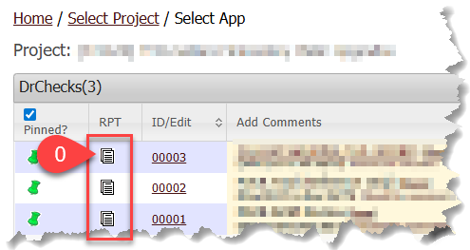

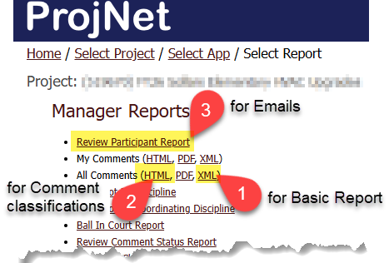

Create or Update Statistics Sheet (Under Development)
To update the statistics page(s) for a given review, the Workbook that contains the reviews must be
opened AFTER this Workbook, i.e., open this workbook, then open the target workbook. Note that by
default, when the review reports are initially generated, so is a STAT sheet with statistics.

